Hiearchy View
CLASS: RELAY MODULE
an electrical switch that is operated by an electromagnet. The electromagnet is activated by a separate low-power signal from a micro controller. |  | 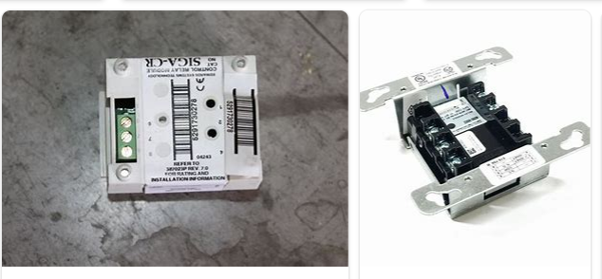
REMOVE | N

PROBLEM_DESC | CAUSE_DESC | REMEDY_DESC
BROKEN/DAMAGED
OTHER PROBLEM
OVERHEATING
POWER-ELEC
STOPPED/SLOWED/POOR OPS
TEMP-CTRL
VIBRATION
Grand Total

